Sheet1
Data | Source
River Discharge | GRDC
Mass differences / gravity | GRACE | https://grace.jpl.nasa.gov/data/get-data/jpl_global_mascons/
Precipitation IMERG | NASA | https://gpm.nasa.gov/data/directory
ASTER DEM | NASA, METI | https://nauru-data.sprep.org/dataset/aster-global-digital-elevation-model-gdem-version-3-astgtm-nauru
HydroSHEDS |  | https://www.hydrosheds.org/
meteorological forcing dataset till 2008 | Princeton | http://hydrology.princeton.edu/data.pgf.php
GLDAS | Nasa | https://ldas.gsfc.nasa.gov/gldas | https://disc.gsfc.nasa.gov/datasets?keywords=GLDAS
 |  | https://disc.gsfc.nasa.gov/datasets/GLDAS_CLSM025_DA1_D_2.2/summary?keywords=GLDAS

https://hydro1.gesdisc.eosdis.nasa.gov/data/GLDAS/GLDAS_CLSM025_DA1_D.2.2/doc/README_GLDAS2.pdf
27.75x27.75 km
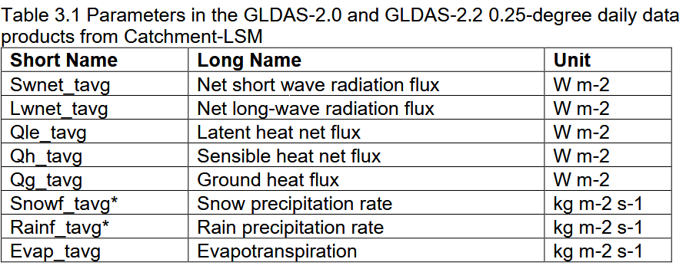

Precipitation (CHIRPS), Etx, ndvi (soil moisture can be derived from ndvi and temperature) | WAPOR
Measurement data for precipitation, temperature etc | GSOD
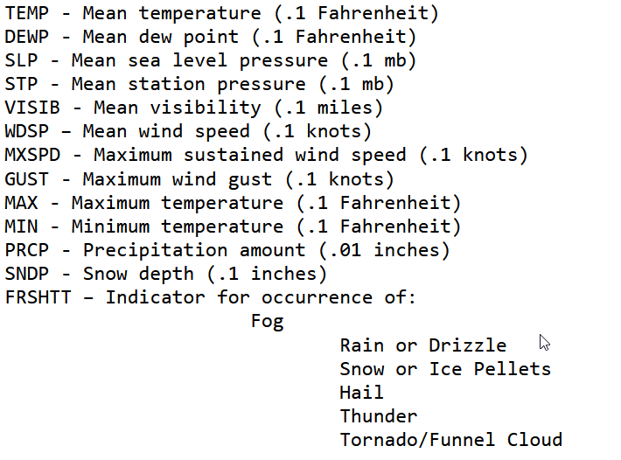

station measurement data southern africa |  |  | http://www.sasscalweathernet.org/index.php?MIsoCode=ZA

soil moisture southern africa | USGS | https://earlywarning.usgs.gov/fews/product/313

